Group Graphs
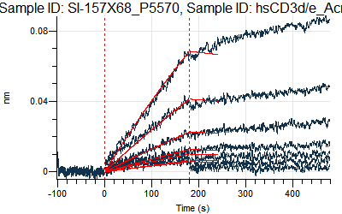
Loading Sample ID: SI-83X1_P5364, Sample ID: hsCD3d/e_Acro_CDD-H52W1
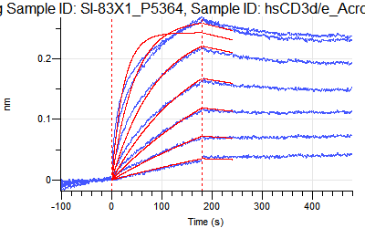

Loading Sample ID: SI-157C11_P5158, Sample ID: hsCD3d/e_Acro_CDD-H52W1
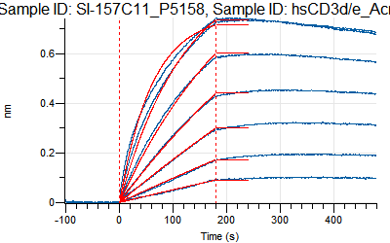

Loading Sample ID: SI-157C12_P5159, Sample ID: hsCD3d/e_Acro_CDD-H52W1
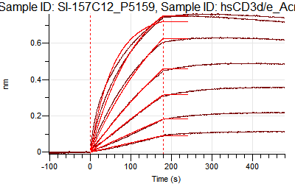

Loading Sample ID: SI-157C13_P5198, Sample ID: hsCD3d/e_Acro_CDD-H52W1
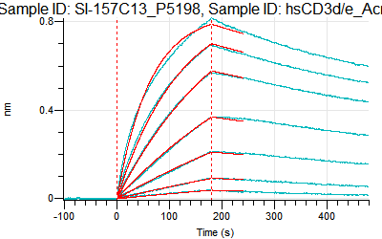

Loading Sample ID: SI-157C14_P5199, Sample ID: hsCD3d/e_Acro_CDD-H52W1
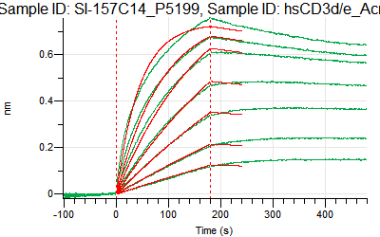

Loading Sample ID: SI-157C15_P5235, Sample ID: hsCD3d/e_Acro_CDD-H52W1
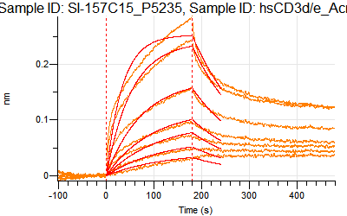

Loading Sample ID: SI-157C16_P5236, Sample ID: hsCD3d/e_Acro_CDD-H52W1
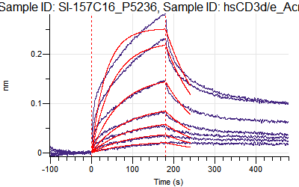

Loading Sample ID: SI-157C17_P5237, Sample ID: hsCD3d/e_Acro_CDD-H52W1
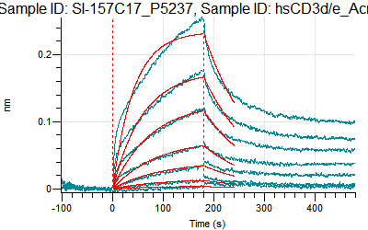

Loading Sample ID: SI-157C18_P5317, Sample ID: hsCD3d/e_Acro_CDD-H52W1
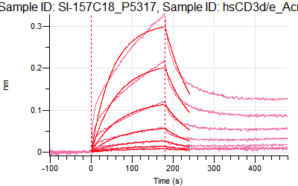

Loading Sample ID: SI-157C19_P5365, Sample ID: hsCD3d/e_Acro_CDD-H52W1
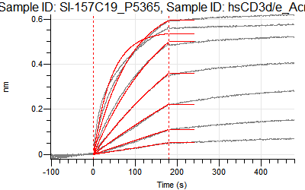

Loading Sample ID: SI-157X47_P5533, Sample ID: hsCD3d/e_Acro_CDD-H52W1
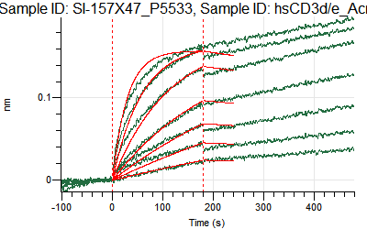

Loading Sample ID: SI-157X49_P5563, Sample ID: hsCD3d/e_Acro_CDD-H52W1
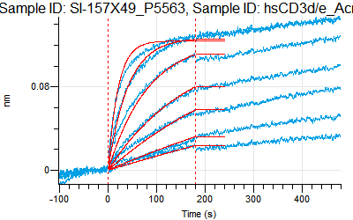

Loading Sample ID: SI-157X50_P5564, Sample ID: hsCD3d/e_Acro_CDD-H52W1
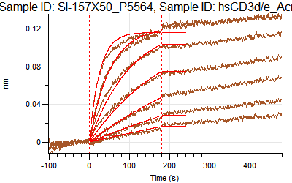

Loading Sample ID: SI-157X53_P5565, Sample ID: hsCD3d/e_Acro_CDD-H52W1
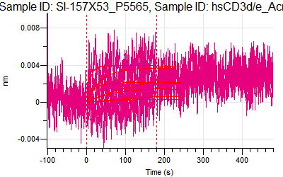

Loading Sample ID: SI-157X56_P5534, Sample ID: hsCD3d/e_Acro_CDD-H52W1
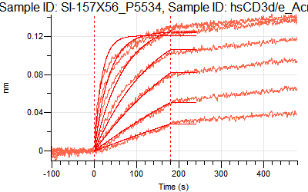

Loading Sample ID: SI-157X57_P5566, Sample ID: hsCD3d/e_Acro_CDD-H52W1
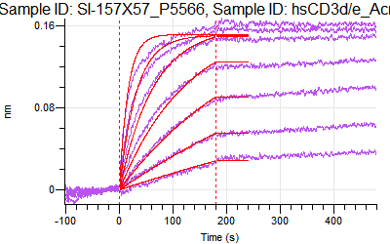

Loading Sample ID: SI-157X61_P5535, Sample ID: hsCD3d/e_Acro_CDD-H52W1
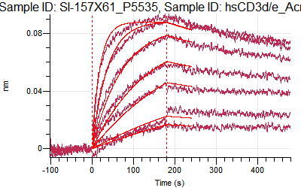

Loading Sample ID: SI-157X62_P5536, Sample ID: hsCD3d/e_Acro_CDD-H52W1
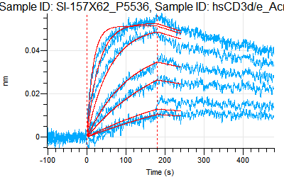

Loading Sample ID: SI-157X63_P5537, Sample ID: hsCD3d/e_Acro_CDD-H52W1
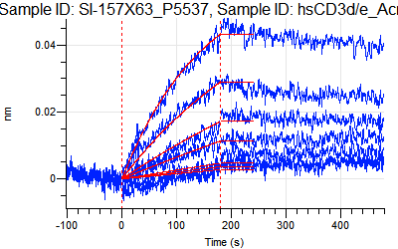

Loading Sample ID: SI-157X64_P5538, Sample ID: hsCD3d/e_Acro_CDD-H52W1
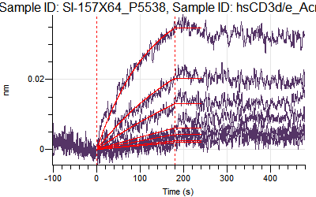

Loading Sample ID: SI-157X65_P5567, Sample ID: hsCD3d/e_Acro_CDD-H52W1
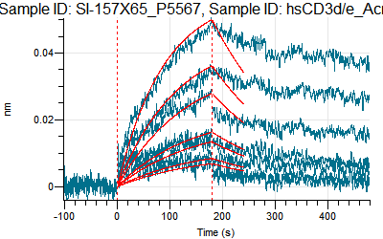

Loading Sample ID: SI-157X66_P5568, Sample ID: hsCD3d/e_Acro_CDD-H52W1
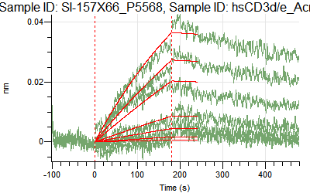

Loading Sample ID: SI-157X67_P5569, Sample ID: hsCD3d/e_Acro_CDD-H52W1
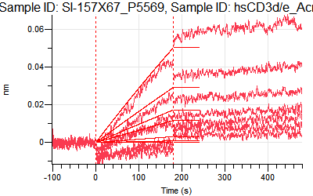

Loading Sample ID: SI-157X68_P5570, Sample ID: hsCD3d/e_Acro_CDD-H52W1

